Instructions
Instructions
Release FY2026

Instructions for Using this Workbook
On the "Business Data Elements List" tab, users are able to filter the complete list of business data elements by Functional Area, Data Element Label, Service Activity, Data Group Name, Business Capability Reference, Authoritative References, Core FS Baseline Solution Pre-Loaded Master Reference Data, etc.
Example: Filtering on "Data Group" for items containing "ACS" A data group can be used to identify elements that comprise a set of information. Account Classification Structure (ACS) Information is an example of a data group. By applying a filter to the "Data Group" column, a user can see all the data elements that comprise the Account Classification Structure.
1
1
 | Click the arrow in the cell containing "Data Group Name"
2
 | Type ACS in the search bar
3
 | Either hit 'Enter' for the complete set of items containing "ACS" or check the boxes next to the items that you want to view.
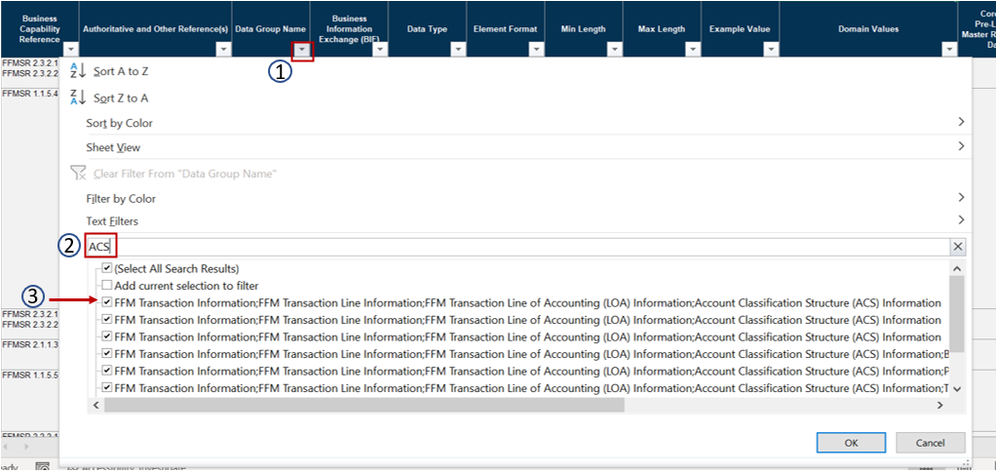

1
2
Example: Filtering "Pre-Loaded Master Reference Data" for "Required". The "Core FS Baseline Solution Pre-Loaded Master Reference Data" column indicates whether pre-loading the master reference data into the Core FS Baseline Solution is Required, Optional, or Conditional. By filtering on this column, users can find the data elements for which standardized reference data must be pre-loaded.
 | Click the arrow in the cell containing "Core FS Baseline Solution Pre-Loaded Master Reference Data"
 | Type "Required" in the search bar
3
 | Hit Enter | for the complete set of data elements for which reference data is required to be pre-loaded in the Core FS Baseline Solution.
