Serv Delivery Layers-Resources
Federal Service Delivery Layers and Resources
February 2026

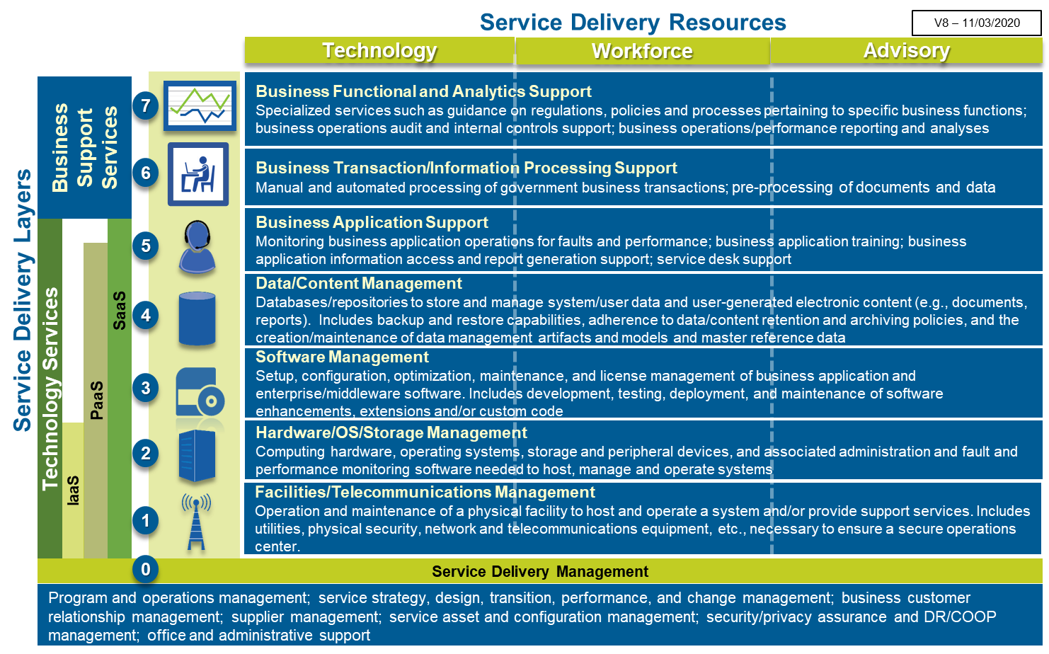

 | It is anticipated that offerings in each of the FM Marketplace categories may include one or more of the following types of Service Delivery Resources: • Technology – the physical assets needed to deliver to FM solution/service • Workforce – the personnel that plan, build, implement, operate and/or deliver the FM solution/service on an on-going basis • Advisory – the personnel that advise, guide, consult and/or perform Independent Verification and Validation on an as-needed basis. It is also anticipated that offerings in each of the FM Marketplace categories may include one or more of the following types of Service Delivery Layers: • Service Delivery Layer 0 – components supporting the overall management of the FM solution/service and cross-Service Layer functions such as asset and configuration management, security and privacy assurance and audit, and Disaster Recovery (DR) and Continuity of Operations (COOP) management • Service Layers 1 and 2 – components such as hardware, operating system software, and storage, as well as the facilities they are housed in and the networks needed to connect these technologies (all together commonly referred to as the “infrastructure”) • Service Layers 3, 4, and 5 – components providing enterprise, middleware, or business application software, managing content and data, and providing technical support for the business applications • Service Layers 6 and 7 – components supporting business operations such as transaction processing, document or data pre-processing, business function guidance, data reporting, and data analyses.

Towers-SubTowers
Towers-SubTowers
February 2026

Light Blue = TBM Taxonomy v4.1 Note: Commercial TBM Sub-Tower Elements for "Public Cloud" are not used for Federal agency categorization and reporting of IT budget/spend because the information is categorized/reported using the Sub-Cost Pool for "Cloud Service Providers".
Gold = Federal government extension to commercial TBM Taxonomy or addition for Enterprise Business Management (EBM) purposes
Tower ID | Tower Name | Sub-Tower ID | Tower/Sub-Tower Name | Tower/Sub-Tower Description
A | Data Center |  |  | Data Centers are purpose-built facilities to securely house computer equipment. Data Centers provide racks/cabinets & cabling, clean & redundant power, data connectivity, environmental controls including temperature, humidity and fire suppression, physical security and the people to run and operate the facility and its infrastructure.
A | Data Center | 1 | Enterprise Data Center | Purpose-built data center facilities that house and protect critical IT equipment including the space, power, environment controls, racks, cabling and "smart hand" support.
A | Data Center | 2 | Other IT Facilities | Computer rooms and MDF/IDF/telco closets that house IT equipment in corporate headquarters, call centers or other general purpose office buildings.
A | Data Center | 3 | IT Transport Vehicles & Equipment | Vehicles and equipment for transport of IT personnel and assets.
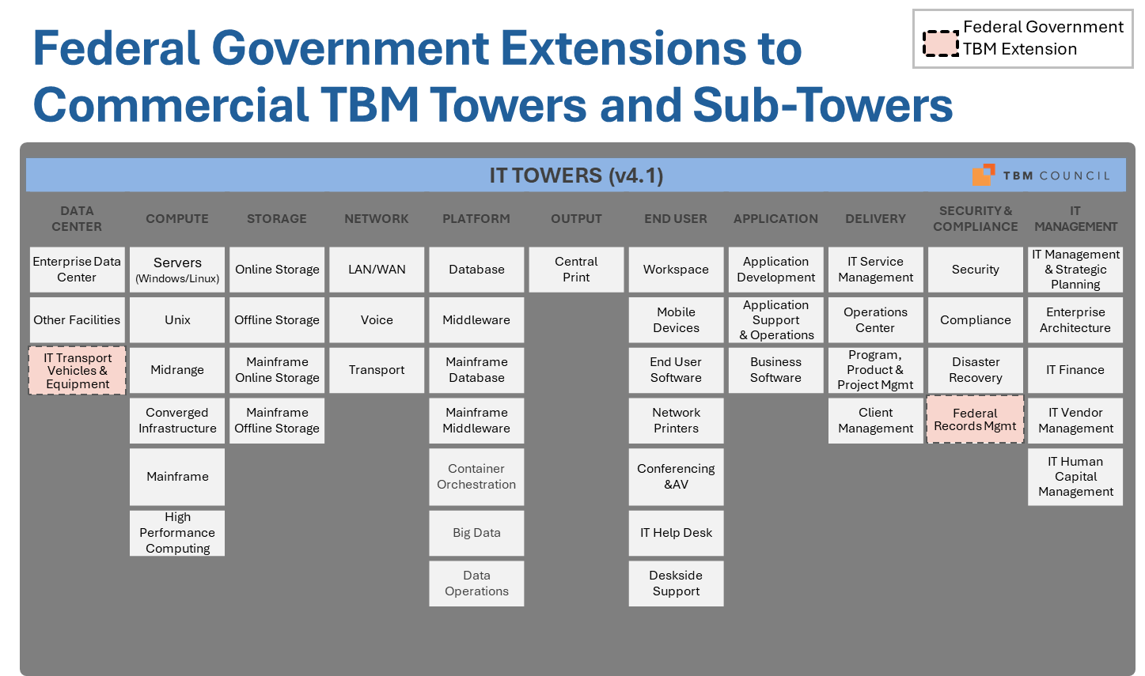
B | Compute |  |  | Compute refers to both general and special-purpose devices and software that are programmed to carry out a set of arithmetic or logical operations. In essence, it provides the “brains” to process application and user requests. Compute includes a wide range of physical and virtual servers differentiated by platform and operating system. The Compute tower should include all direct hardware, software, labor and outside service costs.
B | Compute | 1 | Servers | Physical and virtual servers running a version of Microsoft's Windows Server or the Linux operating system; includes hardware, software, labor and support services. Optional Level 3 categories include: Windows, Linux and Public Cloud Compute.
B | Compute | 2 | Unix | Servers running vendor-specific, proprietary Unix operating systems (e.g., IBM AIX, Sun Solaris, HP UX); includes hardware, software, labor and support services.
B | Compute | 3 | Midrange | Servers running IBM AS/400 platform including hardware, software, labor and support services.
B | Compute | 4 | Converged Infrastructure | Purpose-built appliances that provide compute, storage and network capabilities in one box.
B | Compute | 5 | Mainframe | Traditional mainframe computers and operations running legacy operating systems.
B | Compute | 6 | High Performance Computing | High-Performance Computing (HPC) is used for solving complex computational problems through massive concurrent use of computing resources and parallel processing techniques. HPC technology is applied in areas such as scientific and industrial research, product engineering and development, and complex business modeling, simulation and analysis. HPC hardware and software technologies are specialized and optimized for massively parallel computing and processing vast amounts of data.
C | Storage |  |  | Storage provides centralized data storage and securely holds information and data to be retrieved later. Storage may hold data for application programs and code, databases, files, media, email and many other forms of information. The storage tower includes distributed and mainframe storage that provides on-line storage for real-time access and archival storage solutions that may enable near-term retrieval or long-term archival. The storage tower excludes the internal storage included with a typical server configuration or end-user device such as a laptop, desktop or mobile phone, or tablet.
C | Storage | 1 | Online Storage | Central storage such as SAN, NAS and similar technologies for the distributed compute infrastructure; includes the equipment, software and labor to run and operate. Optional Level 3 categories include: On-Premise, Public Cloud Storage.
C | Storage | 2 | Offline Storage | Offline storage resources used for archive, backup & recovery to support data loss, data corruption, disaster recovery and compliance requirements of the distributed storage.
C | Storage | 3 | Mainframe Online Storage | Mainframe attached storage arrays and the associated equipment, software and labor to run and operate.
C | Storage | 4 | Mainframe Offline Storage | Any storage resources used for archive, backup & recovery to support data loss, data corruption, disaster recovery and compliance requirements of the mainframe storage.
D | Network |  |  | Network includes the data and voice equipment along with the transport methods to connect systems and people and to enable people to converse. Networks provide core connectivity within the enterprise data centers as well as connectivity to and access within office building and remote locations.
D | Network | 1 | LAN/WAN | Physical and wireless local area network connecting equipment within the core data centers and connecting end users in office working areas to the organization's broader networks. Wide area network equipment, labor and support services directly connecting data centers, offices and third parties (excludes telecom and communication services). Optional Level 3 categories include: LAN, WAN.
D | Network | 2 | Voice | Voice resources which enable or distribute voice services through on premise equipment including PBX, VoIP, voicemail and handsets (excludes telecom and communication services).
D | Network | 3 | Transport | Data network circuits and associated access facilities and services; includes dedicated and virtual data networks and internet access. Also includes usage associated with mobility and other data transit based on usage billing. Voice network circuits and associated access facilities and services. Also includes usage associated with standard telephone calls and 800 number service. Both voice and data transport may include terrestrial and non-terrestrial (e.g., satellite) technologies. Optional Level 3 categories include: Data, Voice.
E | Platform |  |  | Platform includes all costs associated with distributed and mainframe databases and middleware systems. Costs include DBMS software and tools, labor and outside services.
E | Platform | 1 | Database | Distributed database services focused on the physical database (versus the logical design) including DBAs, DBMS, tools and operational support.
E | Platform | 2 | Middleware | Distributed platform, application and system integration resources enabling cross application development, communications and information sharing.
E | Platform | 3 | Mainframe Database | Mainframe database services focused on the physical database (versus the logical design) including the DBAs, DBMS, tools, database schema implementation, and operational support.
E | Platform | 4 | Mainframe Middleware | Mainframe platform, application and system integration resources enabling cross application development, communications and information sharing.
E | Platform | 5 | Container Orchestration | Tools and resources for managing the lifecycles of containers. Includes the control and automation of tasks such as provisioning and deployment of containers, maintaining availability, scaling up or removing containers to manage application loads, relocating containers, allocating resources for containers, and monitoring container and host health.
E | Platform | 6 | Big Data | Systems and resources for integrating, managing and analyzing high volumes of low density, unstructured data that is received at high rates of velocity.
E | Platform | 7 | Data Operations | Tools and resources supporting data/content operations across the enterprise, including Data Quality, Data Synchronization, Data Interoperability, Database Schema Design, and File Management. Also includes acquiring and managing subscriptions for data sources and the maintenance of reference, translation, and validation data used by multiple applications.
F | Output |  |  | Output includes the central print services to provide high-volume printing of customer bills, checks, product documentation or other customer support materials. Output also includes additional post print processing support (e.g. fold, stuff, apply postage, bundle).
F | Output | 1 | Central Print | Central print services; often provided to support customer billing or customer documentation support processes. Unit of measure: page.
G | End User |  |  | End User includes end user computing devices and support for end users. The scope includes costs to build, manage and run end user computing devices for the enterprise and deliver centralized support to end users.
G | End User | 1 | Workspace | Client compute physical desktops, portable laptops, thin client machines, peripherals (including monitors, pointer devices and attached personal printers) used by individuals to perform work.
G | End User | 2 | Mobile Devices | Client compute tablets, smart phones (iOS, Android, Windows Mobile) and apps used by individuals to perform work.
G | End User | 3 | End User Software | Client related software used to author, create, collaborate and share documents and other content. Examples include email, communications, messaging, word processing, spreadsheets, presentations, desktop publishing, graphics and others. Optional Level 3 categories include Productivity; Communications; Collaboration.
G | End User | 4 | Network Printers | Printers located on or near users’ desktops. Examples include network connected personal printers, ink-jet printers, laser printers, departmental or copy-room printers. Only include network connected printers. Do not include printers connected to an end user computer.
G | End User | 5 | Conferencing & AV | Audio and video conferencing equipment typically used in conference rooms and dedicated telepresence rooms to enable workforce communications.
G | End User | 6 | IT Help Desk | Centralized Tier 1 help desk resources that handle user requests, answer questions and resolve issues.
G | End User | 7 | Deskside Support | Local support resources that provide on-site support for moves, adds, changes and hands on issue resolution.
H | Application |  |  | The Application tower includes costs related to applications in the enterprise. The scope includes the cost of business software and the costs to develop, manage and run applications for the enterprise.
H | Application | 1 | Application Development | Resources involved with the analysis, design, development, code, test and release packaging services associated with application development projects. Optional Level 3 categories include: Development, and QA.
H | Application | 2 | Application Support & Operations | The operations, support, fix and minor enhancements associated with existing applications. Includes the resources involved with the analysis, design, development, and delivery of training on new/updated applications and software tools, as well as training of new users on existing applications and software tools.
H | Application | 3 | Business Software | Software expenditures including licensing, maintenance and support related to off-the-shelf software purchases.
I | Delivery |  |  | The delivery tower includes the costs to monitor, support, manage, and run IT operations for the enterprise and includes the IT Service Management (ITSM) functions.
I | Delivery | 1 | IT Service Management | Resources involved with the incident, problem and change management activities as part of the IT Service Management process (excludes the Tier 1 help desk). Includes resources involved with designing, monitoring, reporting, and improving services, and the associated development/maintenance of service catalogue, service measures, and service agreements.
I | Delivery | 2 | Operations Center | Centralized IT Operations Center resources including monitoring and intervention e.g., NOC (network operations center), GOC (global operations center).
I | Delivery | 3 | IT Program, Product & Project Management | Resources involved with managing and supporting IT related projects and/or continuous product development (e.g. Agile) across business and IT-driven initiatives.
I | Delivery | 4 | Client Management | Resources or “account managers” aligned with the lines of business to understand business needs, communicate IT products, services and status of IT projects.
J | Security & Compliance |  |  | The Security & Compliance tower includes service costs related to IT security compliance and disaster recovery. The scope includes costs to define, establish, enforce, and measure security, compliance, and disaster recovery readiness for the enterprise.
...
Gold = Federal government extension to commercial TBM Taxonomy or addition for Enterprise Business Management (EBM) purposes
Tower ID | Tower Name | Sub-Tower ID | Tower/Sub-Tower Name | Tower/Sub-Tower Description
J | Security & Compliance | 3 | Disaster Recovery | IT Disaster Recovery resources setting DR policy, establishing process & means, dedicated failover facilities, performing DR testing. NOTE: DR designated equipment is included directly in its own sub-tower (e.g., extra servers for DR are included in Compute tower, etc.). The implementation actions defined by Disaster Recovery policy (e.g. building DR servers) are not included in the Disaster & Recovery sub-tower and are part of the respective towers where the actions take place (e.g. Compute, Storage, Network).
J | Security & Compliance | 4 | Federal Records Mgmt | Resources establishing process, means and controls for ensuring compliance with the Federal Government's policies and procedures for creating, maintaining, and disposing of Federal electronic and digitized paper records.
K | IT Management |  |  | The IT Management tower includes the costs to manage, administer & plan IT for the enterprise. It includes executive management, strategic management, enterprise architecture, IT finance, and vendor management.
K | IT Management | 1 | IT Management & Strategic Planning | IT management and administration resources; typically CIO, senior IT leaders and administrative support including centralized IT strategy and planning.
K | IT Management | 2 | Enterprise Architecture | Enterprise architecture services including business, information, application and technical architecture to drive standardization, integration and efficiency among business technology solutions.
K | IT Management | 3 | IT Finance | Resources involved in the planning, budgeting, spend management and chargeback of IT expenditures and the costing of IT products and services.
K | IT Management | 4 | IT Vendor Management | Resources involved in the selection, contract management, oversight, performance management and general delivery of IT services by 3rd party vendors and external service providers.
K | IT Management | 5 | IT Human Capital Management | Resources involved in the acquisition, development, performance management, compensation, and separation of IT personnel. Included are initial and periodic personnel background investigations and drug testing, as well as training on organizational policies and procedures.
K | IT Management | 6 | Data Management | Resources involved in managing data and content across the enterprise, including Data Governance, Master Data Management, and Metadata Management. Includes establishing data/content management policies, standards, processes, and procedures and maintaining the enterprise information asset inventory and data set catalogue.
Business Resource Group ID | Business Resource Group Name | Business Resource ID | Business Resource Name | Business Resource Description
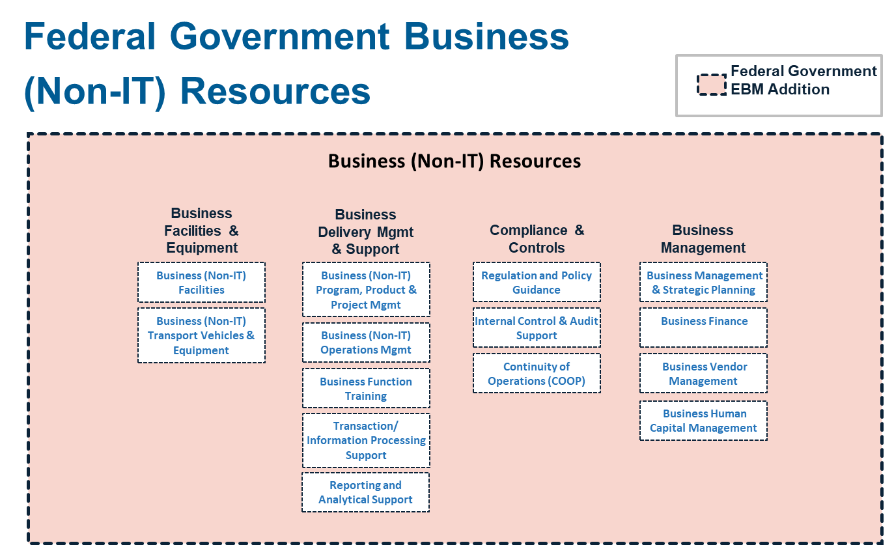
L | Business Facilities & Equipment | 1 | Business (Non-IT) Facilities | Facilities that house business division management and operations.
L | Business Facilities & Equipment | 2 | Business (Non-IT) Transport Vehicles & Equipment | Vehicles and equipment for transport of business division personnel and assets.
M | Business Delivery Mgmt & Support | 1 | Business (Non-IT) Program, Product & Project Mgmt | Resources involved with managing and supporting business division programs, products/services, or projects.
M | Business Delivery Mgmt & Support | 2 | Business (Non-IT) Operations Mgmt | Resources involved in the alignment of teams, identification of goals and objectives, execution of activities and initiatives, and improvement of processes in support of business division and mission products and services.
M | Business Delivery Mgmt & Support | 3 | Business Function Training | The resources involved with the analysis, design, development, and delivery of training on specific business functions (e.g., financial management, grants management).
M | Business Delivery Mgmt & Support | 4 | Transaction/Information Processing Support | Resources supporting the manual and semi-automated pre-processing or processing of business transactions, information, and documents, including scanning, data entry, tagging, categorizing, and enhancing with additional information.
M | Business Delivery Mgmt & Support | 5 | Reporting and Analytical Support | Resources providing reporting and data analysis services for internal and external operations, financial, performance, and compliance reporting.
N | Compliance & Controls | 1 | Regulation and Policy Guidance | Resources providing specialized knowledge such as guidance on regulations, policies and processes pertaining to specific business functions.
N | Compliance & Controls | 2 | Internal Control & Audit Support | Resources for assessing operational effectiveness and efficiency, quality, reliable reporting, and compliance with laws, regulations and policies.
N | Compliance & Controls | 3 | Continuity of Operations (COOP) | Resources for ensuring the continuance of business operations until critical services or systems are restored.
O | Business Management | 1 | Business Management & Strategic Planning | Business management and administration resources; typically CEO, CFO, CHCO, CAO, and other senior business division leaders and administrative support including centralized business strategy and planning.
O | Business Management | 2 | Business Finance | Resources involved in the planning, budgeting, spend management and chargeback of business division expenditures and the costing of business division products and services.
O | Business Management | 3 | Business Vendor Management | Resources involved in the selection, contract management, oversight, performance management and general delivery of business services by 3rd party vendors and external service providers.
O | Business Management | 4 | Business Human Capital Management | Resources involved in the acquisition, development, performance management, compensation, and separation of business division personnel. Included are initial and periodic personnel background investigations and drug testing, as well as training on organizational policies and procedures.

ITIL Practices
ITIL Practices
February 2026
Source: Information Technology Infrastructure Library (ITIL) - IT Service Management (ITSM) v4
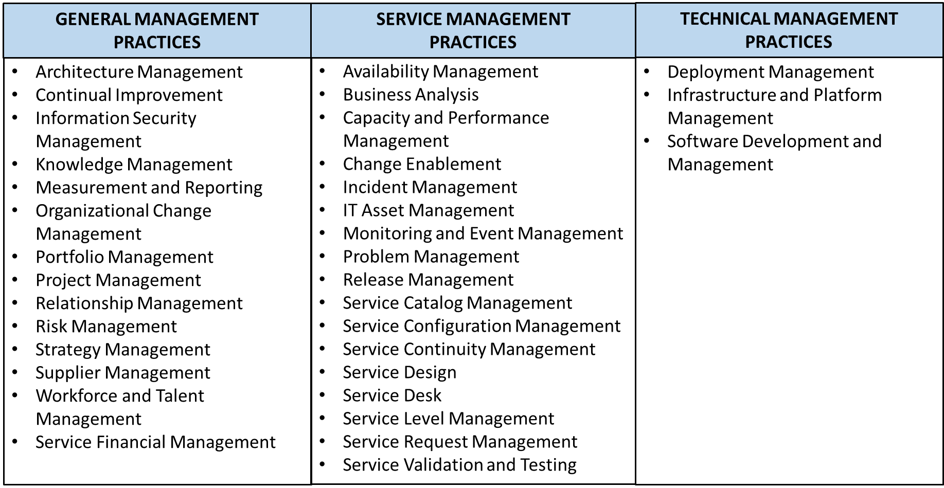
ITIL®4 Management Practices [Top 34 Practices to Follow] (knowledgehut.com)
Practice Area/Practice | Purpose/Description
General Management Practice Area (14) | The 14 General Management Practices are considered commonly across all services and are applicable for the organization as a whole. These provide the views which are to be practiced throughout, irrespective of the type of services or products the organization provides.
Architecture Management | To provide an understanding and view of all the different elements of an organization as a whole and how each of those elements interfaces or interrelate, to enable the organization to achieve its objectives, continuously. It refers to the applicable principles, tools, standards which enable an organization to be managed in a structured way and also enable agility. While we mention architecture management, it refers to all the domains. That is business architecture, service architecture, information architecture, technology architecture, and environment architecture. These can be defined as an integrated architecture in less complex environment of an organization. The business architecture is defined for creating value to an organization and its customers, aligning to strategy of an organization. The service architecture is defined for each service provided by an organization and it has to be fit in and align to the business architecture. It defines service models, structure, activities, flow of resources, their interactions, templates required etc. The information architecture considers the logical & physical data assets of an organization and depicts how the information; which is a valuable asset of an organization; is managed and measured to create value. It is also important to consider the importance of accuracy, completeness, and accessibility of information while defining the Information architecture. Environmental architecture considers the external factors that impact the organization which includes organizational, political, legal, regulatory, ecological, social, technological etc., These cannot be defined, but have to be considered, while defining, developing and managing the organization, services, products etc.
Continual Improvement | To ensure continuous alignment of service and practice of an organization, by identifying and improving them on a continual basis. This requires Purpose consideration of changing business needs, consumer behavior, changing market scenarios etc. The improvement opportunity has to be looked at by considering all the components of services, products, processes and service as a whole. The improvement of services is a continual affair, this cannot be ignored. It is essential to keep the demand for the services high and there should be an established continual improvement practice across the organization. It should be an induced ability in the organization, so that every service action (activities, processes, products, people) is always subject to improvement. As part of continual improvement practices, an organization should ensure that there is a dedicated effort on continual basis to improve services through continuous measurement. Teams have to dedicate a certain amount of time for focusing on improvements. It is to be understood, “At any given point in time, there are opportunities for improvement” and keep identifying the improvement opportunities. Description: • Continual improvement is not a single team or individual’s job; it should be the way of providing services and responsibility of everyone. • Continual improvement practice shall consider various techniques to identify, assess, analyze, recommend and implement the improvements at various levels. • The techniques like SWOT (analyzing strength, weakness, Opportunities & Threats), proactive problem management, PDCA, Improvement Kata, Lean methods, concepts of DevOps etc. Are the few techniques, which can be used for continual improvement. • If the thought of continual improvement is induced into the staff members of the organization as a whole, by establishing that as the culture, the contribution towards continual improvement and alignment will become the way of doing the services and conducting the business.
Information Security Management | To ensure the protection of the information of an organization throughout the information lifecycle. In a way ensuring the confidentiality, integrity, Purpose and availability of information, so that the organization’s information is safeguarded from unauthorized access and misuse. The information security management has become the de-facto requirement of modern organizations (irrespective of their business), with the advancement of technology & adoption of IT systems more and more. These technology platforms and IT systems are used for processing data & information, in every transaction of the business. Whether it’s a bank, an organization of civil construction business, entertainment houses like movie theatre, television, or a retail store, Irrespective of the type of business the organization is into, the adaption & adoption of technology platforms and IT systems for conducting their business transaction has become common. With this modern outlook, organizations come across new challenges and to protect the interest of the business Information security framework, policies, procedures have been established. These information security management practices consider & maintain the balance between Prevention, Detection and Correction. Information security management practices should consider all the aspects of an organization and its dynamics so that it remains aligned with organization strategy & protects the interest of the organization. These should apply across the organization and should not be just limited to one or few aspects. In order to support information security enablement in the organization, there should be consideration for establishment of information security framework, policies, processes, risk management, identity and access management, event management, structured (controlled) review & reporting.
Knowledge Management | To ensure the maintenance and improvement of information and knowledge effectively and efficiently for the convenient usage of the information and knowledge throughout the organization. Knowledge and information being the most important and valuable assets of an organization, it is very important to identify, capture, process, maintain and improve these aspects. An organization should consider adapting and adopting a structured approach and ensure defining, building, using (& reusing) and sharing. This involves data processed into information, leading to the creation of knowledge. These are required for all the processes, practices, and services of various forms. Further with the advancement of technology & management practices, and organizations embracing more and more solutions that are technology-driven & use complex systems, the knowledge of management practices have become a critical need. It is important to understand that knowledge is not just information. Knowledge is the application of the information in a specific context. This requires the understanding of the scenario of information processing and application of knowledge. For example: For a service desk, a number of incidents logged during the specific period is information (like during the week 1 the number of incidents logged are 100). Using this information, setting the context to reduce the number of incidents and applying the actions for identifying the possibility of reducing the number of incidents and further applying to reduce the incidents is possible only through knowledge. Note: Information provides the message, whereas knowledge is Know-how.
Measurement and Reporting | To measure and report the performance of the business or services, which would help in making decisions and improving the services & business performance. Further, this will also reduce the level of uncertainty. According to Peter Drucker, an American Management consultant, “If you cannot measure it, you cannot improve it”. This saying, emphasizes on the importance of measurement. Measurement is an essential need for all types of organizations irrespective of their size and complexities. The measurement should be represented or conveyed in a specific way which is readable (to make right interpretation) by the intended personnel. The metrics considered to measure differs at various levels. This is because, the context at each level varies and accordingly the metrics has to be considered to make the right representation and interpretation. For example: While measuring a service as a whole, one would look at the availability of the services as one of the metrics. Whereas, a number of incidents occurred, the time taken to resolve & restore the services will become metrics to measure the operational performance. These metrics measured at operational level have to complement the next levels. In the given example, the reduction in the number of incidents or reduction in time to restore services or both should be complemented by improving the availability of the services. Accordingly, the critical success factors and key performance indicator has to be identified and defined at all levels. Each of the metrics defined should have the right description to interpret. If the target metrics for measuring availability is 95%, then its impact on business has to be described, explained and justified. Only then the metrics of 95% makes sense.
Organizational Change Management | To ensure managing the human aspects of an organization while introducing, managing, modifying a service or a product. This needs an effective change management (for required transformation) of organization to achieve the lasting benefits through smooth and successful implementation of changes. While the business environment is subjected to change and evolution, it is very important to understand these dynamics and ensure the organization will also evolve & align with the change. In addition to that, improving the services, service performance, performance of service assets, etc., are also important. This further emphasizes on transforming people in the organization in terms of behavior and culture for success. People are at the core of organizational change management. So, Organizational change management should ensure establishing, clear and relevant objectives, strong and committed leadership, willing and prepared participation and sustained improvement. Moreover, organizational transformation is not an overnight accomplishment, it is a journey. For an effective organizational change management, there are many models that the organization adopts. One such model which is adopted and organizations are successful in accomplishing the intended objective of transforming an organization is 8 steps model of John P Kotter. While initiating the organizational transformation, identification of the audience who are affected by this transformation, the individuals who can become the champions for the successful transformation, creation of vision and communication of the same effectively, creating quick wins and celebrating quick wins, and continuing to produce more wins has to be ensured by an organization.
Portfolio Management | To ensure that the organization has the right mix of programs, projects, products, and services to execute the organization’s strategy within its funding and resource constraints. Portfolio management focuses on defining, analyzing, approving and services introduced, monitored, managed and retired by an organization. These decisions are taken after, a thorough analysis of services or products, which are being considered for introduction, modification, improvement etc., if they make sense for the organization strategically, in investment perspective and value. Else the service or products will be retired. The portfolio management can be defined as the coordinated collection of strategic decisions that together enable the most effective balance of organizational change and business as usual. Portfolio management achieves this through: • Developing and applying a systematic framework • Clearly defining products and services and linking them to the achievement of agreed outcomes. • Evaluating and prioritizing incoming product, service, or project proposals and other change initiatives. • Implementing a strategic investment appraisal and decision-making process • Analyzing and tracking investments based on the value of products, services, programs, and projects to the organization and its customers. • Monitoring the performance of the overall portfolio and proposing adjustments in response to any changes in organizational priorities. • Reviewing the portfolios in terms of progress, outcomes, costs, risk, benefits, and strategic contribution. The different portfolio involved are producing/service portfolio, project portfolio, and customer portfolio.
...
Service Configuration Management | To ensure the availability of the information related to service configuration and the configuration items (CI) which are used to form service, when needed, including the relationship between CIs, i.e. the way they are configured. Service configuration management identifies, captures and establishes the configuration database which stores information about all the configuration items and their relationships. Configuration item, refers to all the software, hardware, people, documents, building etc. Which are used to form a service. It is essential to ensure that the integrity of all the CI’s and their configurations are safeguarded, and at the same time the details captured in configuration management database are accurate, up to date, relevant and updated. It should provide the details, which is as per the actual implementation, always. The Service configuration management should establish the snapshot of configuration and relationship with configuration items and help get the visibility into, how each of the service components (& CIs) are connected and contribute to the service and service performance. Configuration Management database has to be updated regularly i.e. while implementing a change for resolving incidents, updating or modifying the services and service attributes etc.
Service Continuity Management | To ensure the availability of minimum services at a sufficient level for business to sustain in the event of disasters. The service continuity management practices aim at providing the framework, which helps in building the resilience required, with the capability of producing the responses, that safeguards the reputation of organization & its brand, the interests of stakeholders, and support activities which create values. The service continuity management practice should support the overall business continuity and consider the risk associated with the business. This practice is triggered in the scenarios where the disruption has occurred at the level where its severity is beyond the ability of the organization to fix with normal response procedures. Service continuity management should focus on those events that would have the significant impact to the business i.e. business cannot continue its operation, during those scenarios that include flood, hurricane, earthquake, etc. During these scenarios, business has to ensure availability of services which are at least required to reduce the impact of those events, with (minimum) or without impact to the business and its sustenance. To understand this, the organization has to conduct Business impact analysis (BIA) and Risk analysis, and make themselves ready by establishing disaster recovery plans. It should define the required recovery time objective (RTO) and recovery point objective (RPO). Recovery Time Objective (RTO), refers to the time period (maximum) that can elapse after occurrences of the disaster event before it impacts the business seriously due to lack of business functionalities. Recovery point objective (RPO) refers to the point to which information utilized by an activity has to be restored for resumption of the activity.
Service Design | To ensure designing the services and products that has utility (fit for purpose) and warranty (fit for use), which will facilitate the customer to achieve the outcome required. Service design practice focuses on designing the products & services considering the people, practices, products, suppliers, partners, information & communication, processes required to fulfill the requirement of the customer, so that customer can get the value required. Designing solution architecture, service architecture, technology architecture, management information systems, tools, processes, measurement methods, metrics (CSF & KPI required to measure the services) etc., are essential. The services designed should address the need of both customer and service provider, in a cost-effective way. Service should be designed to have the resilience, security, availability, capacity, continuity required to fulfill the need of the business. Further, it is essential to holistically visualize the service through end to end value streams (i.e. Demand to value), so that all the dynamics of the services & service environment are correctly understood and considered while designing the service. It is very important to understand and focus on the experience of customer & users. So, service design should support the services and products that support business and service orientation, is cost-effective, user friendly, adaptable & adoptable, secure enough, manages risks, is scalable, and flexible so that changes can be done quickly etc.
Service Desk | To ensure there is a single point of contact for users of the services to contact during service interruption, service queries etc. Service desk practice provides the required channel for users to contact for reporting issues, requests, queries. Further service desk will acknowledge & log, classify, prioritize and action to resolve & fulfill (incidents & requests respectively), as applicable. With the advancement of technology and every business being a technology enabled organization, it has become important to consider the impact that is made to the business and organization, and service desk should focus on providing the support to business and people to enable them to be successful. The focus should be beyond the action limited to the resolution of technical issues alone. It is essential to establish a culture of collaboration, so that service desk staff and the other executives with different capabilities can work together to add value to business and provide good user experiences. Service desk uses telephone, emails, chatbots, ticketing tools etc., which support them while providing the services. Service desk should have a clear understanding of the wider organization, the business process and user base who use the services and need support from service desk. Further to improve the service desk practice performance, service desk has to consider monitoring and measuring its performance capturing and producing the records, achievements, identifying the opportunities for improvements. The service desk types are many, and some of those are local service desk, centralized service desk, virtual service desk, follow the sun service desk, and specialized service desk.
Service Level Management | To define, set and agree clear targets for services, so that services performance can be monitored and managed throughout the life-cycle of the service, against these targets. The service level management practice defines, documents and manages the service levels of all the services and products. Service level management should provide the end to end visibility of all the organizational services. Service level management has to establish and provide the service views with service level target ensure meeting defined service levels by collecting, analyzing, storing and reporting all the defined target metrics of the services regularly (periodically) perform the service reviews and ensure the services meet the organization’s needs continuously identify, capture, review & report the issues related to services, its performance against the defined service targets. The success of service level management will be based on the effectiveness of the interfaces established with other practices like relationship management, business analysis, supplier management etc. Further, service level management should focus and put efforts to engage and understand the requirements and concerns correctly. This would provide better insight towards the actual requirements & concerns of the customers and stakeholders. Service level agreements have to be established by understanding the nature of the business, business dynamics, technology environment, what makes the business successful, insights obtained while engaging with the customer and their feedback through survey etc. This should help in establishing the measurement metrics i.e. business metrics, service metrics, and process metrics etc., which can be measured in the perspective of business performance, service performance and process performance (operational performance) respectively. Each of these metrics should complement and align towards a common objective.
Service Request Management | To support the agreed quality of the service by handling the pre-defined user requests, which are initiated by users in a professional and friendly manner. A service request can be defined as “A request from a user or a user’s authorized representative that initiates a service action which has been agreed as a normal part of service delivery”. For example: requesting for an information, or an asset like laptop, printer cartridge etc. Standard changes are also fulfilled by service request management. Generally, all the requests handled by service request management are pre-authorized, which are essential needs of regular operation of the business. This need of approval for all the request logged is not required repeatedly as they are standard and more repetitive in nature, thus pre-approved. To fulfill a service request (simple or complex), the established steps need to be proven and agreed upon, so that the fulfillment of the requests is smoother and further they can be standardized and automated as needed by the organization. Every type of service request should have the timelines established and agreed with customers, so that it can be fulfilled within the given time lines. For example: due to information security reason, if organization has the policy to block all the USB ports of employee’s laptops by default, and in the scenario of a roaming user, who needs the USB port to be opened while travelling, the employee should know the way the request has to be placed and the duration it takes to fulfill the request. This helps the employee to follow and avail the services accordingly. Further, request fulfilment practices should have the consideration emergency cases as well.
Service Validation and Testing | To ensure the new or changed services and products are validated, so that they meet the defined & agreed requirements. Service validation focuses on establishing the acceptance criteria defined in release management that is required for successful deployment (i.e. the conditions which has to be met for readiness for the production). These are verified through testing at multiple levels. The acceptance criteria will be focused on utility & warranty which are defined through understanding customer, regulatory, business, risk management, and security requirements. The consideration of the environment, platform, individual or set of services has to be made while defining the testing strategy & further it has to consider overall approach. Testing has to be done for all the systems at all levels & it includes both developed in-house and supplied by external suppliers. Testing consideration while testing the utility (functional test) of the services can be unit test, system test, integration test, regression test. Whereas the consideration while testing warranty (non-functional test) of the services can be performance & capacity test, security test, compliance test, operational test, warranty requirement test, user acceptance test.
Technical Management Practice Area (3) | The 3 Technical Management Practices are considered for all the services and applicable for the service in specific. These provide the views which are to be practiced throughout, while managing the services & products.
Deployment Management | To ensure moving new or changed processes, software, hardware, documentation and any service components to product (live) environment. To ensure moving new or changed processes, software, hardware, documentation and any service components to product (live) environment. The practices deployment management, release management and change control have a close interface while introducing a change to an environment. The deployment management practice deploys the components in the schedule proposed in a change request and approved by a change authority. Deployment can be done in many approaches. It may be big bang vs phased, push vs pull, and manual vs automated deployment approaches. • Big bang approach refers to the deployment of all the components together. • Phased approach refers to the deployment of components one after the other in different schedules (phases) • Push approach refers to the deployment of components to the target systems, by pushing it from the central system • Pull approach refers to the deployment of components to the target systems, by target systems pulling it from the central system • Manual approach refers to the deployment approach which involves manual efforts while deploying • Automated deployment refers to the deployment done in an automated way upon reaching certain conditions like time (schedule) etc. Besides, modern scenarios of the organization are pushing organizations for becoming more responsive, due to which approaches like continuous delivery & continuous deployment are becoming popular. Communication around deployments is a part of release management. Individual deployments are not generally of interest to users and customers until they are released.
Infrastructure and Platform Management | To ensure overseeing the infrastructure & platforms of an organization, so that it enables the monitoring and managing the technology solutions used by the organization. The IT Infrastructure which involves server, network, storage, middleware, operating systems, that are required for delivering the IT services and the configuration items used by customer to access the services, has to be monitored and managed through out to ensure their performance at higher level, so that service can continue to deliver value to the customers. The IT Infrastructure also involves those that are managed by external suppliers. Modern IT environment comprises of many suppliers supplied services and components like cloud services ex. platform as a service, software as a service, infrastructure as a service etc. Further this would also involve technologies such as artificial intelligence, machine learning, chatbots, enterprise mobility, mobile device management etc., which stress on managing those for the success of services The infrastructure and platform management practice include the provision of technology needed to support activities that create value for the organization and its stakeholders. The infrastructure and platform management interfaces with other management practices like financial management, supplier management, capacity and performance management, change control, incident management, deployment management etc.
Software Development and Management | 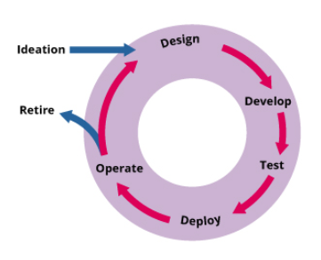 To ensure meeting stakeholder needs (both internal and external) by providing the required functionalities, which are reliable, maintainable, compliant and auditable. The software deployment and management focus on ensure the software application are fit for purpose and fit for use so that the customer can get the value. This involves the entire lifecycle, right from ideation till retirement as depicted in the picture “The software lifecycle”. The software lifecycle for ITIL4 The software lifecycle includes ideation, design, develop, test, deploy operate and retire, which continually facilitate value creation for services and products delivered to customers. This also involves improvement of the services and service performances continually until it is retired.

